Budget 2021
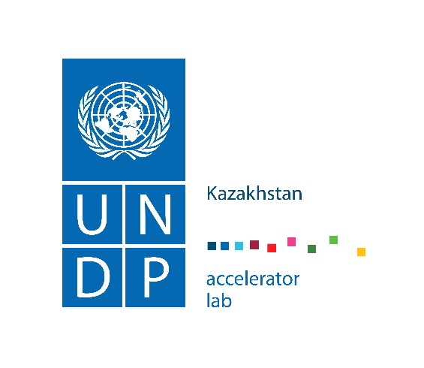 CITY EXPERIMENT FUND

 |  |  |  |  | Moldova
 |  |  |  |  | North Macedonia
Digital data platform on air pollution BUDGET

Lead Applicant/Innovator | Name of Lead Applicant/Innovator
Entity | Name of the Entity

Total Budget | USD

Project
Type of Expenditure | Unit | Number of Units | Award (USD) | Notes
1.1 Category
1.1.1 Sub Category
1.1.2 Sub Category
1.2 Category
1.2.1 Sub Category
1.2.2 Sub Category
1.3 Category
1.3.1 Sub Category
1.3.2 Sub Category
Total | NA | NA | $0.00

