Instructions
Annex 7: Purchase budgets
Instruction sheet

Introduction.- In this tool, 3 sheets are included. In the first, there is information on how to use the tool. In the second, there are tools that can be used digitally. The third can be printed for manual use.
Instructions.- Each one of the fields to be filled out has an explanation of the information that needs to be entered. More instruction is included if you place the mouse over boxes that have red marks in the upper right corner.
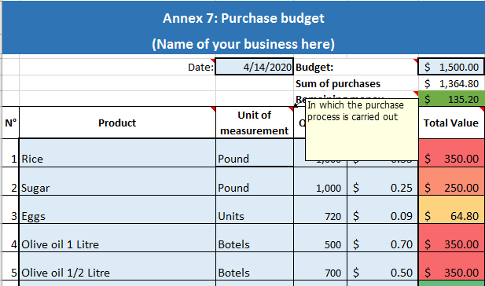

Only fill in the fields in light blue with a thick border.
The other cells include formulas, these cells have been locked since they should not be modified.

